Sheet1
 |  |  | Article 01: | chipboared screws DIN 7505
 |  |  | Material : | hardened steel
 |  |  | head: | Pozi double countersunk
 |  |  | finish | yellow zinc plated
Size | Qty(PCS) | Pcs/Box | Boxes/Ctn | Pcs/Ctn | Number of Ctns | Unit Price | Total price | unit carton weight | Total carton weigh
3X16 | 1008000 | 700 | 24 | 16800 | 60
4X20 | 960000 | 500 | 24 | 12000 | 80
4X25 | 1920000 | 400 | 24 | 9600 | 200
4X30 | 1344000 | 350 | 24 | 8400 | 160
4X35 | 420000 | 350 | 24 | 8400 | 50
4X40 | 480000 | 250 | 24 | 6000 | 80
4X50 | 384000 | 200 | 24 | 4800 | 80
5X40 | 288000 | 150 | 24 | 3600 | 80
5X50 | 336000 | 140 | 24 | 3360 | 100
5X60 | 230400 | 120 | 24 | 2880 | 80
5X70 | 230400 | 120 | 24 | 2880 | 80

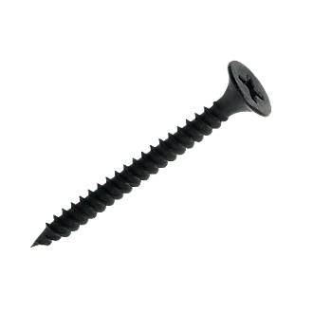
 |  |  | Article 02: | drywall screws
 |  |  | Material : | hardened steel
 |  |  | head: | phillips bugle head
 |  |  | finish | black phosphated
 |  |  | thread | twinfast threaded
3.9X25 | 2400000 | 400 | 24 | 9600 | 250
3.9X30 | 1680000 | 350 | 24 | 8400 | 200

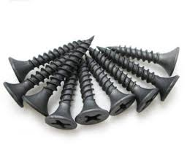
 |  |  | Article 03: | drywall screws
 |  |  | Material : | hardened steel
 |  |  | head: | phillips bugle head
 |  |  | finish | grey phosphated
 |  |  | thread | twinfast threaded
3.5X25 | 1200000 | 500 | 24 | 12000 | 100
Total | 12880800 |  |  |  | 1600

